Sheet1
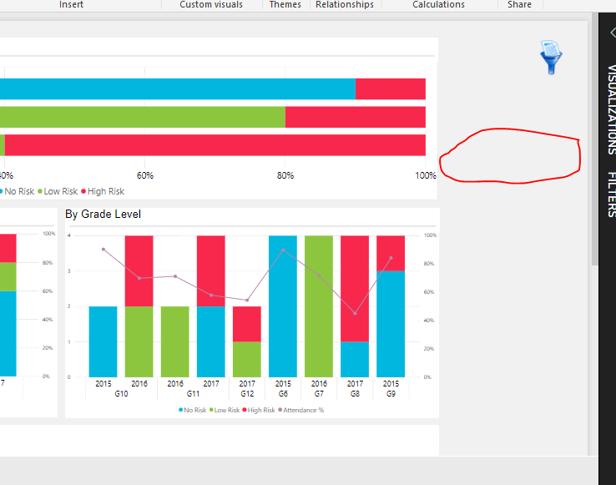
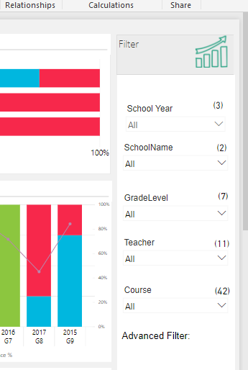
Sno. | Date (Open) | Date (Close) | Open Issues | Description | Status
1 |  |  | Formating | We need some formatting option i.e. Font family: Open sans, title with left padding , title in bolt which is the basis requirement of each dashboard. | Jason confirmed not possible for Open Sans font family.
2 |  |  | Show/Hide | After click on hide filter icon charts should be resize(charts should be cover empty space area)(img)
3 |  |  | List type of slicer with two fields | We need a list type of slicer with two fields in which first will be display data and another will contain id(will be hidden). This is the requirement of ‘Student Group’ creation where we will save id in database and based on id will create group.
4 |  |  | Slicer | Need resize the checkbox in slicer with color.(img)
5 |  |  | Slicer | Need to hide 'multiple selection' message from slicer when selected the multiple value.(img)
6 |  |  |  | Option to expand/collapse the filters using chevron icon so that the filter values of the selected filters do not overlap with other filter values below .
7 |  |  | Show/Hide | Show/Hide component based on user login
8 |  |  | Slicer | Show count of selection in slicer header (as a work around we are showing it in a Card component using calculated measure value. Is there a better way for this?)(img) | Done from PS side using DAX. Need to confirm if there is a better solution.
9 |  |  | Line with chart tile header | Need line with chart title header(img)
10 |  |  | Responsive design | Report/Dashboard need to be responsive with single layout instead of creating different layout. | Jason confirmed not possible.
11 |  |  | Dynamic stack bar chart color | Option for the end user to pick the color for Proficiency band or a column from the data source in which to specify the colour e.g. #A66999 for each item in the Legend field. This would apply to all the standard charts, e.g. bar, column, line chart, any of the charts with the Legend property. | Jason confirmed not possible.

